Bubble planning
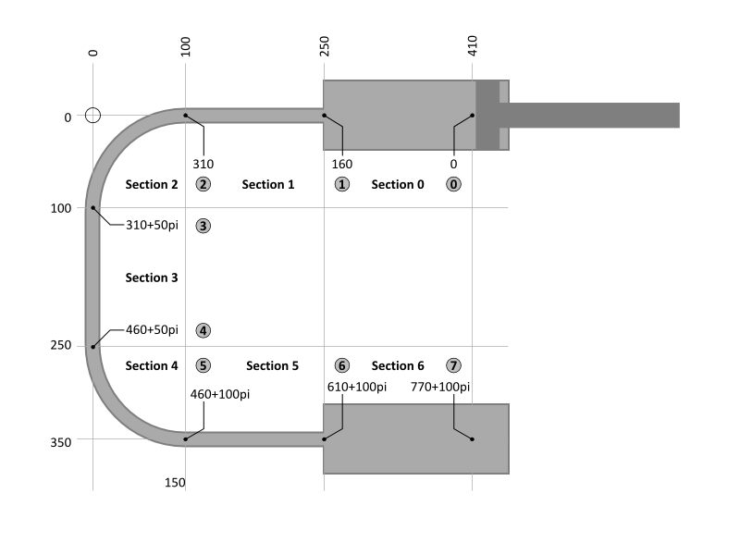
Nodes |  |  |  |  |  |  | Sections
Node | X | Y | Fi | s0 | V0 |  | Section | From node | To node | Section length | Cross section | Section volume | Travel speed | dt | Position start | Section length | X0 | dX | Y0 | dY | Fi0 | dFi
0 | 410 | 0 | 0 | 0.0 | 0.00 |  | 0 | 0 | 1 | 160.0 | 4.00 | 640.0 | 13.3 | 12.00 | 0.0 | 160.0 | 410 | -160 | 0 | 0 | 0 | 0
1 | 250 | 0 | 0 | 160.0 | 640.00 |  | 1 | 1 | 2 | 150.0 | 1.00 | 150.0 | 53.3 | 2.81 | 160.0 | 150.0 | 250 | -150 | 0 | 0 | 0 | 0
2 | 100 | 0 | 0 | 310.0 | 790.00 |  | 2 | 2 | 3 | 157.1 | 1.00 | 157.1 | 53.3 | 2.95 | 310.0 | 157.1 | 100 | 0 | 0 | 0 | 0 | 90
3 | 0 | 100 | 90 | 467.1 | 947.08 |  | 3 | 3 | 4 | 150.0 | 1.00 | 150.0 | 53.3 | 2.81 | 467.1 | 150.0 | 100 | 0 | 0 | 150 | 90 | 0
4 | 0 | 250 | 90 | 617.1 | 1097.08 |  | 4 | 4 | 5 | 157.1 | 1.00 | 157.1 | 53.3 | 2.95 | 617.1 | 157.1 | 100 | 0 | 150 | 0 | 90 | 90
5 | 100 | 350 | 180 | 774.2 | 1254.16 |  | 5 | 5 | 6 | 150.0 | 1.00 | 150.0 | 53.3 | 2.81 | 774.2 | 150.0 | 100 | 150 | 150 | 0 | 180 | 0
6 | 250 | 350 | 180 | 924.2 | 1404.16 |  | 6 | 6 | 7 | 160.0 | 4.00 | 640.0 | 13.3 | 12.00 | 924.2 | 160.0 | 250 | 160 | 150 | 0 | 180 | 0
7 | 410 | 350 | 180 | 1084.2 | 2044.16 |  | Total |  |  | 1084.2 |  | 2044.2

Number of bubbles |  |  | 7
Total volume in system |  |  | 1404.2
Volume between bubbles |  |  | 200.6
Stroke of pistons |  |  | 160.0
Volume displacement |  |  | 640.0

Bubbles
 | Section in which the bubble starts |  |  |  |  |  |  |  |  |  |  | Second section for bubble |  |  |  |  | Third section for bubble |  |  |  |  | Fourth section for bubble |  |  |  |  | Fifth section for bubble |  |  |  |  | Sixth section for bubble
Bubble | Start time | Start at volume | Starts in section | End at volume | Ends in section | Position start of section | Volume start of section | Area in section | Start position | Position end of section | Speed in section | Start time | Start position | Starts in section | Position end of section | Speed in section | Start time | Start position | Starts in section | Position end of section | Speed in section | Start time | Start position | Starts in section | Position end of section | Speed in section | Start time | Start position | Starts in section | Position end of section | Speed in section | End time
1 | 0.00 | 100.3 | 0 | 740.3 | 1 | 0.0 | 0.0 | 4.0 | 25.1 | 160.0 | 13.3 | 10.12 | 160.0 | 1 | 310.0 | 53.3 | 12.93 | 310.0 | 2 | 467.1 | 53.3 | 15.88 | 467.1 | 3 | 617.1 | 53.3 | 18.69 | 617.1 | 4 | 774.2 | 53.3 | 21.63
2 | 0.00 | 300.9 | 0 | 940.9 | 2 | 0.0 | 0.0 | 4.0 | 75.2 | 160.0 | 13.3 | 6.36 | 160.0 | 1 | 310.0 | 53.3 | 9.17 | 310.0 | 2 | 467.1 | 53.3 | 12.12 | 467.1 | 3 | 617.1 | 53.3 | 14.93 | 617.1 | 4 | 774.2 | 53.3 | 17.87
3 | 0.00 | 501.5 | 0 | 1141.5 | 4 | 0.0 | 0.0 | 4.0 | 125.4 | 160.0 | 13.3 | 2.60 | 160.0 | 1 | 310.0 | 53.3 | 5.41 | 310.0 | 2 | 467.1 | 53.3 | 8.35 | 467.1 | 3 | 617.1 | 53.3 | 11.17 | 617.1 | 4 | 774.2 | 53.3 | 14.11
4 | 0.00 | 702.1 | 1 | 1342.1 | 5 | 160.0 | 640.0 | 1.0 | 222.1 | 310.0 | 53.3 | 1.65 | 310.0 | 2 | 467.1 | 53.3 | 4.59 | 467.1 | 3 | 617.1 | 53.3 | 7.41 | 617.1 | 4 | 774.2 | 53.3 | 10.35 | 774.2 | 5 | 924.2 | 53.3 | 13.16
5 | 0.00 | 902.7 | 2 | 1542.7 | 6 | 310.0 | 790.0 | 1.0 | 422.7 | 467.1 | 53.3 | 0.83 | 467.1 | 3 | 617.1 | 53.3 | 3.65 | 617.1 | 4 | 774.2 | 53.3 | 6.59 | 774.2 | 5 | 924.2 | 53.3 | 9.40 | 924.2 | 6 | 1084.2 | 13.3 | 21.40
6 | 0.00 | 1103.3 | 4 | 1743.3 | 6 | 617.1 | 1097.1 | 1.0 | 623.3 | 774.2 | 53.3 | 2.83 | 774.2 | 5 | 924.2 | 53.3 | 5.64 | 924.2 | 6 | 1084.2 | 13.3 | 17.64 | 1084.2 | 7 | 1084.2 | 13.3 | 17.64 | 1084.2 | 8 | 1084.2 | 13.3 | 17.64
7 | 0.00 | 1303.9 | 5 | 1943.9 | 6 | 774.2 | 1254.2 | 1.0 | 823.9 | 924.2 | 53.3 | 1.88 | 924.2 | 6 | 1084.2 | 13.3 | 13.88 | 1084.2 | 7 | 1084.2 | 13.3 | 13.88 | 1084.2 | 8 | 1084.2 | 13.3 | 13.88 | 1084.2 | 9 | 1084.2 | 13.3 | 13.88

